Introduction
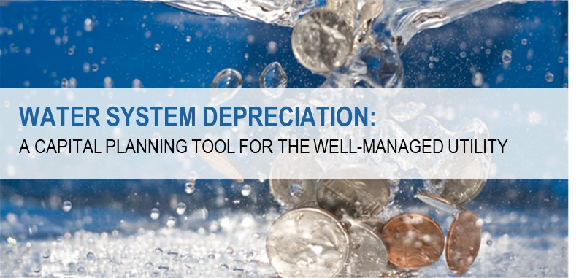

Attachments to the White Paper entitled "Water System Depreciation: A Capital Planning Tool for the Well-Managed Utility"
Authored by AE2S Nexus on behalf of the SDARWS Rural Water Center
Sponsored by the the SDARWS, CoBank, and AE2S
January 2020

The worksheets herein are intended to serve as a systems’ tool for entry-level capital reserve planning. The cells containing formulas within have not been locked to allow systems to make changes at their sole discretion to their desired approach to system-specific capital reserve planning calculations. By using this workbook, the user agrees that the SDARWS, CoBank, AE2S and AE2S Nexus are not liable for any damages or claims that may arise from or relate to use of the tool.

